Sheet1
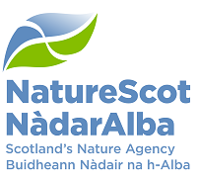
SFO Return Form

Please return this form via email to licensing@nature.scot within one month of completion of works.

Please also attach two photographs from the works with the form that clearly show:
1) One sett before works commenced clearly showing the sett entrance
2) The SAME sett after works have finished clearly showing the sett entrance

* Mandatory fields
Licence holder name*:
Licence number*:

Dates works were undertaken*: | Conditions met*: | Comments:
03/07/2020-20/07/2020 | N | One sett entrance temporarily partially blocked, entrance unblocked on the same day to rectify.

