Wintering Waterbird Indicator
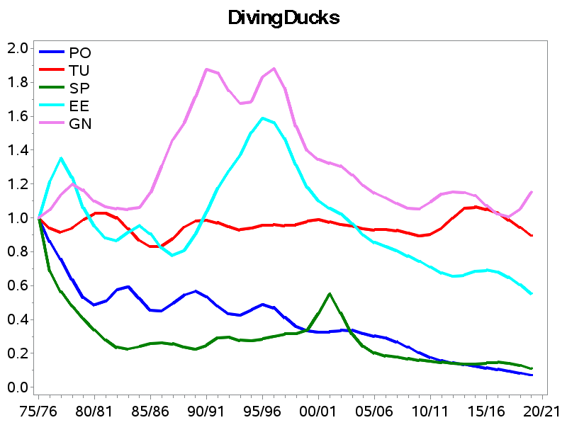
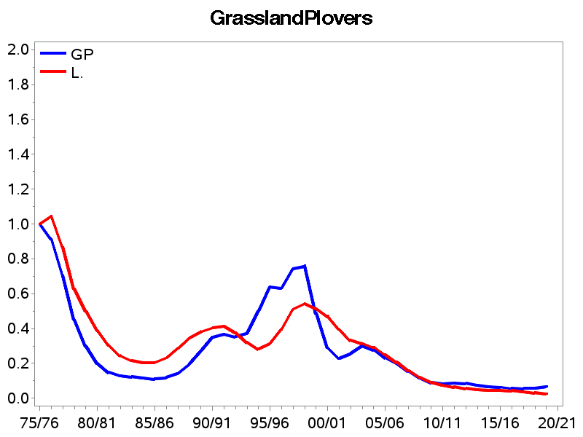
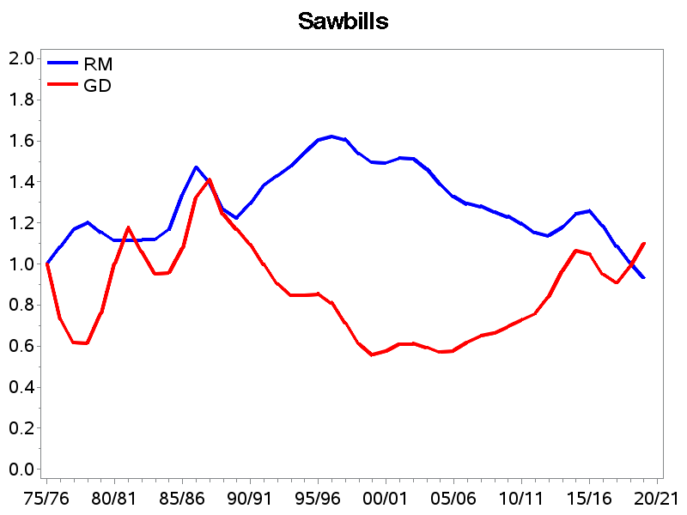
 |  | Wintering Waterbird Indicator |  |  |  | Contributing species trends (incorporating corrections for relative habitat coverage and utilising data from WeBS Core Counts and Non-estuarine Waterbird Survey (NEWS))
IndexYear | Winter | Waterbird | Goose | Wildfowl | Wader | YN | YS | JH | JI | XF | PG | NW | MS | WS | SU | SV | GA | WN | MA | PT | T_ | PO | TU | SP | EE | GN | GD | RM | LG | GG | CA | CO | OC | L_ | GP | GV | RP | CU | BA | BW | TT | KN | SS | DN | PS | RK
1975 | 1975/1976 | 1.000 | 1.000 | 1.000 | 1.000 |  | 1 |  | 1 |  |  |  | 1 | 1 | 1 | 1 | 1 | 1 | 1 | 1 | 1 | 1 | 1 | 1 | 1 | 1 | 1 | 1 |  |  |  |  | 1 | 1 | 1 | 1 | 1 | 1 | 1 | 1 | 1 | 1 | 1 | 1 | 1 | 1
1976 | 1976/1977 | 0.987 | 1.049 | 0.948 | 1.024 |  | 1.113 |  | 0.988 |  |  |  | 0.98 | 0.942 | 1.048 | 0.857 | 1.081 | 0.982 | 0.954 | 0.911 | 0.997 | 0.861 | 0.939 | 0.686 | 1.216 | 1.047 | 0.731 | 1.084 |  |  |  |  | 0.943 | 1.044 | 0.913 | 1.517 | 0.946 | 0.888 | 0.975 | 1.561 | 0.959 | 1.104 | 1.005 | 0.971 | 0.884 | 0.881
1977 | 1977/1978 | 0.957 | 1.126 | 0.912 | 0.988 |  | 1.216 |  | 1.043 |  |  |  | 0.962 | 0.898 | 1.074 | 0.571 | 1.25 | 1.001 | 0.957 | 0.811 | 1.027 | 0.756 | 0.917 | 0.564 | 1.352 | 1.138 | 0.618 | 1.17 |  |  |  |  | 0.871 | 0.868 | 0.705 | 2.05 | 0.891 | 0.844 | 0.947 | 2.585 | 0.878 | 0.989 | 1.018 | 0.752 | 0.8 | 0.791
1978 | 1978/1979 | 0.907 | 1.222 | 0.896 | 0.882 |  | 1.302 |  | 1.147 |  |  |  | 0.955 | 0.904 | 1.093 | 0.429 | 1.537 | 1.049 | 0.999 | 0.756 | 1.094 | 0.636 | 0.942 | 0.48 | 1.24 | 1.2 | 0.617 | 1.203 |  |  |  |  | 0.82 | 0.628 | 0.452 | 2.636 | 0.8 | 0.787 | 0.965 | 2.488 | 0.755 | 0.8 | 1.035 | 0.571 | 0.75 | 0.689
1979 | 1979/1980 | 0.872 | 1.309 | 0.905 | 0.788 |  | 1.357 |  | 1.262 |  |  |  | 0.968 | 0.968 | 1.097 | 0.429 | 1.89 | 1.104 | 1.058 | 0.745 | 1.204 | 0.531 | 0.989 | 0.405 | 1.058 | 1.164 | 0.76 | 1.156 |  |  |  |  | 0.801 | 0.5 | 0.299 | 3.031 | 0.697 | 0.747 | 1.009 | 2.366 | 0.652 | 0.587 | 1.052 | 0.458 | 0.726 | 0.594
1980 | 1980/1981 | 0.847 | 1.368 | 0.920 | 0.721 |  | 1.39 |  | 1.347 |  |  |  | 0.989 | 1.039 | 1.084 | 0.429 | 2.184 | 1.126 | 1.09 | 0.777 | 1.321 | 0.488 | 1.026 | 0.34 | 0.951 | 1.098 | 1.004 | 1.116 |  |  |  |  | 0.791 | 0.389 | 0.2 | 2.904 | 0.628 | 0.751 | 1.019 | 2.268 | 0.606 | 0.49 | 1.092 | 0.407 | 0.74 | 0.535
1981 | 1981/1982 | 0.819 | 1.383 | 0.924 | 0.662 |  | 1.408 |  | 1.359 |  |  |  | 1.008 | 1.062 | 1.06 | 0.429 | 2.397 | 1.1 | 1.061 | 0.827 | 1.393 | 0.509 | 1.028 | 0.28 | 0.882 | 1.067 | 1.177 | 1.116 |  |  |  |  | 0.74 | 0.303 | 0.148 | 2.563 | 0.581 | 0.746 | 0.993 | 2.122 | 0.586 | 0.457 | 1.144 | 0.356 | 0.773 | 0.477
1982 | 1982/1983 | 0.807 | 1.369 | 0.948 | 0.623 |  | 1.438 |  | 1.304 |  | 1 |  | 1.022 | 1.056 | 1.041 | 0.714 | 2.706 | 1.056 | 1.024 | 0.836 | 1.45 | 0.577 | 1.002 | 0.236 | 0.869 | 1.057 | 1.061 | 1.118 |  |  |  |  | 0.679 | 0.244 | 0.13 | 2.563 | 0.547 | 0.703 | 0.912 | 2.268 | 0.573 | 0.457 | 1.137 | 0.294 | 0.799 | 0.432
1983 | 1983/1984 | 0.812 | 1.394 | 0.973 | 0.611 |  | 1.503 |  | 1.263 |  | 1.043 | 1 | 1.035 | 1.036 | 1.049 | 1.143 | 3.051 | 1.027 | 1.004 | 0.8 | 1.524 | 0.594 | 0.937 | 0.227 | 0.915 | 1.052 | 0.953 | 1.122 |  |  |  |  | 0.666 | 0.215 | 0.124 | 2.866 | 0.547 | 0.651 | 0.825 | 2.659 | 0.571 | 0.494 | 1.028 | 0.263 | 0.801 | 0.42
1984 | 1984/1985 | 0.845 | 1.500 | 1.021 | 0.624 |  | 1.601 |  | 1.299 |  | 1.124 | 1.137 | 1.067 | 1.067 | 1.098 | 2 | 3.368 | 1.061 | 1.023 | 0.765 | 1.61 | 0.526 | 0.867 | 0.241 | 0.955 | 1.061 | 0.958 | 1.168 |  |  |  |  | 0.717 | 0.204 | 0.117 | 3.287 | 0.574 | 0.636 | 0.805 | 3.195 | 0.581 | 0.554 | 0.893 | 0.255 | 0.816 | 0.425
1985 | 1985/1986 | 0.896 | 1.650 | 1.094 | 0.646 |  | 1.695 |  | 1.436 |  | 1.259 | 1.267 | 1.13 | 1.198 | 1.184 | 3 | 3.515 | 1.166 | 1.064 | 0.797 | 1.716 | 0.456 | 0.832 | 0.258 | 0.908 | 1.151 | 1.077 | 1.339 |  | 1 |  | 1 | 0.783 | 0.206 | 0.112 | 3.621 | 0.604 | 0.658 | 0.811 | 3.854 | 0.591 | 0.595 | 0.836 | 0.25 | 0.868 | 0.429
1986 | 1986/1987 | 0.957 | 1.791 | 1.179 | 0.687 |  | 1.778 |  | 1.557 |  | 1.42 | 1.372 | 1.22 | 1.38 | 1.29 | 4 | 3.456 | 1.283 | 1.087 | 0.845 | 1.884 | 0.453 | 0.836 | 0.264 | 0.822 | 1.307 | 1.326 | 1.472 |  | 0.965 |  | 1.031 | 0.819 | 0.232 | 0.119 | 3.739 | 0.648 | 0.72 | 0.79 | 4.634 | 0.623 | 0.594 | 0.892 | 0.241 | 1.017 | 0.447
1987 | 1987/1988 | 1.019 | 1.908 | 1.227 | 0.757 |  | 1.856 |  | 1.609 |  | 1.589 | 1.464 | 1.371 | 1.598 | 1.366 | 4.429 | 2.765 | 1.41 | 1.094 | 0.882 | 2.084 | 0.496 | 0.879 | 0.257 | 0.78 | 1.465 | 1.411 | 1.398 |  | 0.93 |  | 1.098 | 0.835 | 0.287 | 0.143 | 3.536 | 0.695 | 0.813 | 0.81 | 5.805 | 0.671 | 0.6 | 1.076 | 0.247 | 1.239 | 0.478
1988 | 1988/1989 | 1.057 | 1.981 | 1.236 | 0.811 |  | 1.917 |  | 1.594 |  | 1.685 | 1.568 | 1.576 | 1.818 | 1.381 | 4.286 | 1.926 | 1.571 | 1.089 | 0.954 | 2.299 | 0.545 | 0.946 | 0.237 | 0.809 | 1.561 | 1.243 | 1.265 |  | 0.914 | 1 | 1.201 | 0.855 | 0.347 | 0.197 | 3.356 | 0.741 | 0.91 | 0.909 | 4.098 | 0.725 | 0.61 | 1.271 | 0.281 | 1.368 | 0.496
1989 | 1989/1990 | 1.096 | 2.030 | 1.254 | 0.853 | 1 | 1.961 |  | 1.553 | 1 | 1.736 | 1.682 | 1.8 | 1.865 | 1.411 | 4.429 | 1.36 | 1.747 | 1.064 | 1.059 | 2.39 | 0.567 | 0.98 | 0.225 | 0.905 | 1.712 | 1.171 | 1.225 | 1 | 1.01 | 1.133 | 1.288 | 0.891 | 0.382 | 0.272 | 3.299 | 0.755 | 0.975 | 1.017 | 3.366 | 0.785 | 0.586 | 1.293 | 0.325 | 1.456 | 0.498
1990 | 1990/1991 | 1.136 | 2.135 | 1.270 | 0.888 | 1.089 | 2.018 |  | 1.547 | 1.071 | 1.859 | 1.781 | 1.927 | 1.676 | 1.471 | 4.857 | 1.132 | 1.892 | 1.022 | 1.121 | 2.234 | 0.536 | 0.986 | 0.249 | 1.038 | 1.877 | 1.096 | 1.294 | 1.124 | 1.21 | 1.206 | 1.299 | 0.916 | 0.403 | 0.351 | 3.54 | 0.761 | 0.979 | 1.131 | 3.366 | 0.8 | 0.553 | 1.26 | 0.381 | 1.368 | 0.502
1991 | 1991/1992 | 1.147 | 2.215 | 1.263 | 0.888 | 1.13 | 2.111 |  | 1.517 | 1.095 | 2.043 | 1.852 | 1.843 | 1.361 | 1.494 | 5.857 | 1.147 | 1.942 | 0.966 | 1.08 | 2.006 | 0.478 | 0.973 | 0.291 | 1.177 | 1.857 | 0.999 | 1.385 | 1.234 | 1.484 | 1.19 | 1.266 | 0.933 | 0.412 | 0.369 | 4.023 | 0.735 | 0.932 | 1.163 | 3.61 | 0.759 | 0.569 | 1.093 | 0.404 | 1.169 | 0.518
1992 | 1992/1993 | 1.135 | 2.265 | 1.246 | 0.865 | 1.147 | 2.258 | 1 | 1.493 | 1.071 | 2.146 | 1.93 | 1.696 | 1.123 | 1.458 | 7.714 | 1.375 | 1.881 | 0.911 | 1.018 | 1.847 | 0.434 | 0.949 | 0.297 | 1.281 | 1.751 | 0.903 | 1.431 | 1.3 | 1.564 | 1.134 | 1.224 | 0.953 | 0.376 | 0.354 | 4.95 | 0.722 | 0.811 | 1.089 | 3.683 | 0.708 | 0.67 | 0.869 | 0.403 | 0.997 | 0.54
1993 | 1993/1994 | 1.138 | 2.346 | 1.247 | 0.867 | 1.157 | 2.512 | 1.1 | 1.449 | 1.047 | 2.169 | 2.09 | 1.622 | 0.95 | 1.428 | 9.857 | 1.779 | 1.809 | 0.858 | 1.011 | 1.779 | 0.427 | 0.93 | 0.278 | 1.37 | 1.677 | 0.847 | 1.479 | 1.381 | 1.344 | 1.072 | 1.205 | 0.977 | 0.321 | 0.373 | 6.648 | 0.728 | 0.742 | 1.016 | 3.488 | 0.704 | 0.846 | 0.729 | 0.418 | 0.874 | 0.575
1994 | 1994/1995 | 1.175 | 2.435 | 1.278 | 0.908 | 1.186 | 2.89 | 1.235 | 1.373 | 1.024 | 2.09 | 2.289 | 1.656 | 0.829 | 1.492 | 9.714 | 2.25 | 1.808 | 0.825 | 1.05 | 1.838 | 0.458 | 0.94 | 0.274 | 1.504 | 1.687 | 0.847 | 1.542 | 1.491 | 1.204 | 1.073 | 1.242 | 1.055 | 0.283 | 0.5 | 7.916 | 0.737 | 0.724 | 1.024 | 3.512 | 0.72 | 1.02 | 0.691 | 0.441 | 0.831 | 0.618
1995 | 1995/1996 | 1.230 | 2.516 | 1.328 | 0.964 | 1.234 | 3.304 | 1.414 | 1.301 | 1.024 | 1.902 | 2.453 | 1.782 | 0.794 | 1.588 | 8.286 | 2.699 | 1.877 | 0.822 | 1.107 | 2.032 | 0.49 | 0.958 | 0.286 | 1.589 | 1.832 | 0.855 | 1.603 | 1.629 | 1.223 | 1.093 | 1.319 | 1.091 | 0.316 | 0.638 | 7.931 | 0.755 | 0.699 | 1.105 | 3.927 | 0.697 | 1.179 | 0.774 | 0.456 | 0.813 | 0.638
1996 | 1996/1997 | 1.253 | 2.601 | 1.339 | 0.988 | 1.274 | 3.628 | 1.622 | 1.256 | 1.079 | 1.765 | 2.523 | 1.922 | 0.813 | 1.602 | 6.429 | 3.066 | 1.93 | 0.827 | 1.121 | 2.263 | 0.472 | 0.962 | 0.302 | 1.564 | 1.882 | 0.813 | 1.621 | 1.795 | 1.277 | 0.974 | 1.362 | 1.074 | 0.396 | 0.633 | 7.693 | 0.741 | 0.707 | 1.123 | 4.805 | 0.645 | 1.146 | 0.9 | 0.452 | 0.74 | 0.649
1997 | 1997/1998 | 1.256 | 2.689 | 1.318 | 1.004 | 1.289 | 3.786 | 1.798 | 1.238 | 1.182 | 1.742 | 2.548 | 2.024 | 0.864 | 1.566 | 5.571 | 3.375 | 1.94 | 0.826 | 1.098 | 2.47 | 0.413 | 0.957 | 0.316 | 1.466 | 1.765 | 0.714 | 1.607 | 2.025 | 1.249 | 0.819 | 1.329 | 1.033 | 0.511 | 0.745 | 7.59 | 0.7 | 0.761 | 1.072 | 5.756 | 0.596 | 1.007 | 0.936 | 0.438 | 0.664 | 0.658
1998 | 1998/1999 | 1.235 | 2.770 | 1.281 | 0.985 | 1.303 | 3.847 | 1.941 | 1.236 | 1.302 | 1.755 | 2.559 | 2.122 | 0.896 | 1.513 | 6 | 3.375 | 1.947 | 0.825 | 1.057 | 2.558 | 0.359 | 0.961 | 0.317 | 1.312 | 1.543 | 0.61 | 1.539 | 2.307 | 1.146 | 0.701 | 1.259 | 0.988 | 0.542 | 0.761 | 7.349 | 0.677 | 0.77 | 1.045 | 6.22 | 0.557 | 0.898 | 0.953 | 0.412 | 0.626 | 0.649
1999 | 1999/2000 | 1.214 | 2.830 | 1.271 | 0.936 | 1.315 | 3.896 | 2.069 | 1.238 | 1.412 | 1.742 | 2.522 | 2.223 | 0.918 | 1.464 | 7.429 | 3.066 | 2.029 | 0.823 | 1.036 | 2.589 | 0.334 | 0.98 | 0.339 | 1.179 | 1.399 | 0.558 | 1.497 | 2.537 | 1.141 | 0.655 | 1.183 | 0.969 | 0.513 | 0.487 | 7.069 | 0.684 | 0.744 | 1.045 | 5.927 | 0.535 | 0.837 | 1.057 | 0.397 | 0.624 | 0.628
2000 | 2000/2001 | 1.212 | 2.888 | 1.297 | 0.901 | 1.342 | 3.956 | 2.165 | 1.252 | 1.5 | 1.779 | 2.452 | 2.298 | 0.938 | 1.436 | 8.857 | 2.603 | 2.174 | 0.809 | 1.071 | 2.652 | 0.327 | 0.991 | 0.436 | 1.1 | 1.346 | 0.576 | 1.494 | 2.661 | 1.188 | 0.656 | 1.093 | 0.999 | 0.471 | 0.289 | 6.828 | 0.698 | 0.72 | 1.036 | 5.976 | 0.518 | 0.842 | 1.186 | 0.4 | 0.633 | 0.618
2001 | 2001/2002 | 1.214 | 2.934 | 1.317 | 0.880 | 1.401 | 4.082 | 2.166 | 1.26 | 1.603 | 1.792 | 2.341 | 2.351 | 0.958 | 1.428 | 9 | 2.176 | 2.288 | 0.785 | 1.157 | 2.71 | 0.329 | 0.976 | 0.551 | 1.057 | 1.325 | 0.611 | 1.517 | 2.664 | 1.28 | 0.687 | 1.017 | 1.022 | 0.396 | 0.23 | 6.391 | 0.693 | 0.657 | 1.031 | 6.829 | 0.5 | 0.88 | 1.293 | 0.41 | 0.621 | 0.602
2002 | 2002/2003 | 1.210 | 2.987 | 1.298 | 0.875 | 1.508 | 4.269 | 2.169 | 1.249 | 1.762 | 1.751 | 2.213 | 2.382 | 1.015 | 1.446 | 8.714 | 1.919 | 2.352 | 0.763 | 1.28 | 2.739 | 0.337 | 0.96 | 0.438 | 1.024 | 1.307 | 0.612 | 1.513 | 2.657 | 1.354 | 0.722 | 0.971 | 1.004 | 0.333 | 0.259 | 5.533 | 0.693 | 0.589 | 1.061 | 8.244 | 0.491 | 0.915 | 1.417 | 0.41 | 0.602 | 0.577
2003 | 2003/2004 | 1.201 | 3.031 | 1.267 | 0.874 | 1.619 | 4.347 | 2.205 | 1.259 | 1.921 | 1.731 | 2.032 | 2.364 | 1.127 | 1.433 | 8.286 | 1.897 | 2.43 | 0.736 | 1.415 | 2.711 | 0.336 | 0.953 | 0.316 | 0.967 | 1.254 | 0.595 | 1.463 | 2.855 | 1.258 | 0.749 | 0.931 | 0.938 | 0.315 | 0.301 | 4.651 | 0.685 | 0.564 | 1.064 | 10.293 | 0.506 | 0.885 | 1.522 | 0.384 | 0.594 | 0.562
2004 | 2004/2005 | 1.175 | 3.051 | 1.231 | 0.853 | 1.744 | 4.274 | 2.223 | 1.287 | 2.088 | 1.683 | 1.847 | 2.255 | 1.218 | 1.405 | 8.143 | 2.044 | 2.49 | 0.701 | 1.569 | 2.564 | 0.318 | 0.937 | 0.242 | 0.899 | 1.191 | 0.574 | 1.389 | 3.109 | 1.064 | 0.762 | 0.86 | 0.848 | 0.293 | 0.279 | 4.421 | 0.682 | 0.547 | 1.016 | 11.976 | 0.533 | 0.82 | 1.598 | 0.343 | 0.6 | 0.543
2005 | 2005/2006 | 1.137 | 3.073 | 1.208 | 0.805 | 1.919 | 4.176 | 2.256 | 1.315 | 2.206 | 1.613 | 1.716 | 2.114 | 1.259 | 1.433 | 8.143 | 2.324 | 2.405 | 0.669 | 1.681 | 2.408 | 0.304 | 0.93 | 0.204 | 0.856 | 1.147 | 0.581 | 1.329 | 3.339 | 0.847 | 0.724 | 0.787 | 0.79 | 0.251 | 0.233 | 4.674 | 0.683 | 0.524 | 0.901 | 11.146 | 0.555 | 0.729 | 1.602 | 0.296 | 0.627 | 0.511
2006 | 2006/2007 | 1.099 | 3.135 | 1.183 | 0.753 | 2.059 | 4.281 | 2.343 | 1.346 | 2.23 | 1.678 | 1.608 | 1.991 | 1.234 | 1.512 | 7 | 2.625 | 2.175 | 0.641 | 1.802 | 2.251 | 0.292 | 0.933 | 0.187 | 0.831 | 1.118 | 0.62 | 1.295 | 3.579 | 0.694 | 0.664 | 0.739 | 0.778 | 0.208 | 0.2 | 5.008 | 0.665 | 0.514 | 0.791 | 8.829 | 0.564 | 0.631 | 1.608 | 0.258 | 0.693 | 0.48
2007 | 2007/2008 | 1.070 | 3.287 | 1.146 | 0.717 | 2.072 | 4.606 | 2.45 | 1.395 | 2.23 | 2.063 | 1.552 | 1.918 | 1.197 | 1.59 | 5.143 | 2.875 | 1.953 | 0.62 | 1.927 | 2.157 | 0.269 | 0.927 | 0.179 | 0.806 | 1.085 | 0.651 | 1.282 | 3.777 | 0.618 | 0.596 | 0.715 | 0.769 | 0.16 | 0.158 | 5.448 | 0.635 | 0.507 | 0.732 | 8.268 | 0.548 | 0.6 | 1.727 | 0.236 | 0.76 | 0.449
2008 | 2008/2009 | 1.032 | 3.427 | 1.103 | 0.667 | 2.035 | 5.001 | 2.441 | 1.445 | 2.167 | 2.618 | 1.532 | 1.89 | 1.167 | 1.609 | 4 | 3.162 | 1.744 | 0.604 | 1.877 | 2.122 | 0.239 | 0.911 | 0.17 | 0.776 | 1.058 | 0.665 | 1.255 | 3.579 | 0.598 | 0.549 | 0.712 | 0.727 | 0.119 | 0.117 | 5.287 | 0.579 | 0.507 | 0.728 | 8.463 | 0.501 | 0.595 | 1.744 | 0.222 | 0.751 | 0.412
2009 | 2009/2010 | 0.988 | 3.461 | 1.079 | 0.604 | 2.006 | 5.385 | 2.323 | 1.488 | 2.095 | 2.824 | 1.514 | 1.905 | 1.158 | 1.57 | 3.857 | 3.75 | 1.598 | 0.599 | 1.654 | 2.144 | 0.204 | 0.895 | 0.161 | 0.745 | 1.054 | 0.697 | 1.232 | 3.212 | 0.618 | 0.535 | 0.713 | 0.652 | 0.09 | 0.091 | 4.563 | 0.518 | 0.494 | 0.764 | 7.829 | 0.448 | 0.599 | 1.542 | 0.215 | 0.7 | 0.373
2010 | 2010/2011 | 0.954 | 3.381 | 1.077 | 0.555 | 2.006 | 5.606 | 2.202 | 1.487 | 2.024 | 2.622 | 1.451 | 1.987 | 1.235 | 1.505 | 4.571 | 4.051 | 1.531 | 0.596 | 1.437 | 2.194 | 0.177 | 0.904 | 0.154 | 0.709 | 1.094 | 0.729 | 1.198 | 2.951 | 0.65 | 0.523 | 0.72 | 0.571 | 0.076 | 0.083 | 4.061 | 0.457 | 0.46 | 0.782 | 7.561 | 0.402 | 0.61 | 1.303 | 0.209 | 0.636 | 0.339
2011 | 2011/2012 | 0.929 | 3.294 | 1.079 | 0.520 | 2.044 | 5.58 | 2.203 | 1.436 | 1.936 | 2.504 | 1.349 | 2.11 | 1.383 | 1.461 | 6 | 3.257 | 1.519 | 0.589 | 1.317 | 2.268 | 0.16 | 0.941 | 0.148 | 0.675 | 1.14 | 0.761 | 1.155 | 2.83 | 0.675 | 0.509 | 0.735 | 0.507 | 0.067 | 0.088 | 3.851 | 0.405 | 0.432 | 0.765 | 8.195 | 0.368 | 0.593 | 1.131 | 0.194 | 0.541 | 0.321
2012 | 2012/2013 | 0.914 | 3.340 | 1.081 | 0.489 | 2.113 | 5.603 | 2.388 | 1.39 | 1.881 | 2.774 | 1.27 | 2.198 | 1.488 | 1.428 | 7 | 2.566 | 1.539 | 0.578 | 1.296 | 2.399 | 0.147 | 1 | 0.141 | 0.655 | 1.154 | 0.841 | 1.141 | 2.862 | 0.675 | 0.5 | 0.766 | 0.456 | 0.056 | 0.085 | 3.678 | 0.373 | 0.405 | 0.723 | 10.39 | 0.342 | 0.568 | 1.045 | 0.175 | 0.443 | 0.318
2013 | 2013/2014 | 0.919 | 3.472 | 1.096 | 0.475 | 2.165 | 5.924 | 2.593 | 1.381 | 1.873 | 3.27 | 1.214 | 2.185 | 1.538 | 1.417 | 6.857 | 2.287 | 1.6 | 0.573 | 1.424 | 2.595 | 0.136 | 1.058 | 0.137 | 0.663 | 1.151 | 0.966 | 1.181 | 3.046 | 0.643 | 0.52 | 0.813 | 0.429 | 0.049 | 0.075 | 3.456 | 0.363 | 0.38 | 0.662 | 16.683 | 0.322 | 0.549 | 1.029 | 0.163 | 0.375 | 0.327
2014 | 2014/2015 | 0.931 | 3.646 | 1.121 | 0.463 | 2.182 | 6.295 | 2.853 | 1.401 | 1.905 | 3.867 | 1.188 | 2.113 | 1.481 | 1.435 | 6 | 2.728 | 1.692 | 0.573 | 1.686 | 2.75 | 0.125 | 1.066 | 0.138 | 0.684 | 1.134 | 1.064 | 1.245 | 3.349 | 0.612 | 0.585 | 0.849 | 0.43 | 0.047 | 0.068 | 3.303 | 0.374 | 0.352 | 0.613 | 15.756 | 0.304 | 0.563 | 1.076 | 0.167 | 0.343 | 0.344
2015 | 2015/2016 | 0.957 | 3.817 | 1.155 | 0.469 | 2.162 | 6.667 | 3.08 | 1.424 | 1.944 | 4.405 | 1.223 | 2.062 | 1.381 | 1.471 | 5.571 | 4.081 | 1.774 | 0.571 | 2.059 | 2.944 | 0.115 | 1.053 | 0.144 | 0.692 | 1.075 | 1.048 | 1.26 | 3.598 | 0.579 | 0.666 | 0.86 | 0.449 | 0.047 | 0.064 | 3.218 | 0.392 | 0.333 | 0.601 | 16.805 | 0.291 | 0.597 | 1.146 | 0.18 | 0.332 | 0.361
2016 | 2016/2017 | 0.970 | 3.862 | 1.186 | 0.469 | 2.096 | 6.905 | 3.19 | 1.423 | 1.921 | 4.43 | 1.288 | 2.057 | 1.316 | 1.491 | 5.857 | 6.713 | 1.793 | 0.564 | 2.39 | 3.15 | 0.106 | 1.03 | 0.148 | 0.681 | 1.024 | 0.95 | 1.185 | 3.813 | 0.548 | 0.718 | 0.836 | 0.458 | 0.045 | 0.058 | 3 | 0.412 | 0.313 | 0.602 | 18.829 | 0.279 | 0.609 | 1.165 | 0.196 | 0.328 | 0.375
2017 | 2017/2018 | 0.963 | 3.823 | 1.191 | 0.460 | 1.998 | 6.9 | 3.213 | 1.401 | 1.873 | 4.305 | 1.339 | 2.065 | 1.368 | 1.479 | 5.714 | 11.5 | 1.696 | 0.55 | 2.353 | 3.086 | 0.096 | 0.988 | 0.143 | 0.65 | 1.008 | 0.909 | 1.088 | 3.986 | 0.522 | 0.735 | 0.794 | 0.451 | 0.038 | 0.056 | 2.521 | 0.436 | 0.293 | 0.596 | 22.049 | 0.271 | 0.576 | 1.14 | 0.204 | 0.339 | 0.381
2018 | 2018/2019 | 0.941 | 3.732 | 1.147 | 0.457 | 1.925 | 6.572 | 3.203 | 1.355 | 1.802 | 4.182 | 1.368 | 2.079 | 1.515 | 1.429 | 5.429 | 11.632 | 1.583 | 0.531 | 1.998 | 2.832 | 0.085 | 0.945 | 0.131 | 0.606 | 1.053 | 0.989 | 1.005 | 4.138 | 0.497 | 0.724 | 0.747 | 0.429 | 0.032 | 0.058 | 2.073 | 0.461 | 0.296 | 0.571 | 27.195 | 0.272 | 0.574 | 1.113 | 0.203 | 0.368 | 0.382
2019 | 2019/2020 | 0.901 | 3.634 | 1.034 | 0.463 | 1.879 | 6.045 | 3.188 | 1.284 | 1.698 | 4.351 | 1.368 | 2.07 | 1.673 | 1.345 | 4.714 | 5.279 | 1.497 | 0.508 | 1.608 | 2.486 | 0.073 | 0.897 | 0.113 | 0.555 | 1.152 | 1.1 | 0.934 | 4.272 | 0.474 | 0.708 | 0.693 | 0.405 | 0.026 | 0.067 | 1.732 | 0.482 | 0.322 | 0.547 | 30.049 | 0.278 | 0.663 | 1.139 | 0.205 | 0.412 | 0.378
2020 | 2019/2020 | Waterbird | Goose | Wildfowl | Wader | YN | YS | JH | JI | XF | PG | NW | MS | WS | SU | SV | GA | WN | MA | PT | T_ | PO | TU | SP | EE | GN | GD | RM | LG | GG | CA | CO | OC | L_ | GP | GV | RP | CU | BA | BW | TT | KN | SS | DN | PS | RK
2021 | 2020/2021 | Previous | Previous | Previous | Previous | Previous | Previous | Previous | Previous | Previous | Previous | Previous | Previous | Previous | Previous | Previous | Previous | Previous | Previous | Previous | Previous | Previous | Previous | Previous | Previous | Previous | Previous | Previous | Previous | Previous | Previous | Previous | Previous | Previous | Previous | Previous | Previous | Previous | Previous | Previous | Previous | Previous | Previous | Previous | Previous | Previous
2022 | 2021/2022
2023 | 2022/2023 |  |  |  |  | 2 spp | All-time high
 |  |  |  |  |  | 19 spp | Overal increase
 |  |  |  |  |  | 10 spp | Overall decline
 |  |  |  |  |  | 10 spp | All-time low`

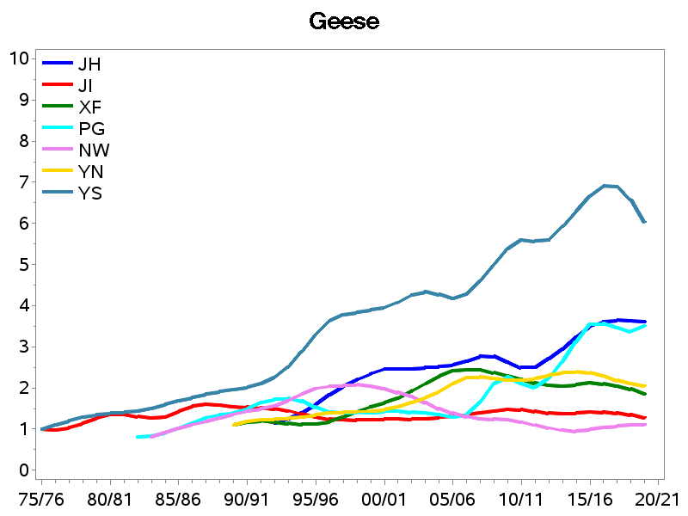
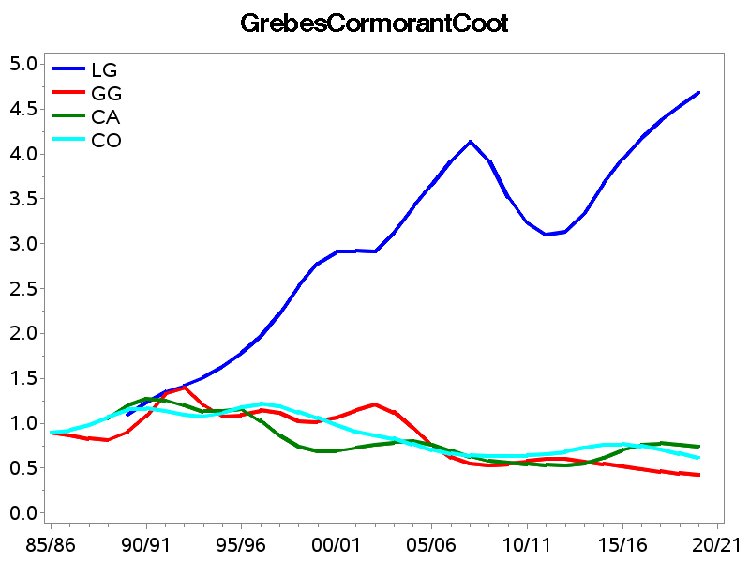
Scottish Waterbird Indicator |  |  |  |  |  |  |  |  |  |  |  |  |  |  |  | 